Cohort Analysis
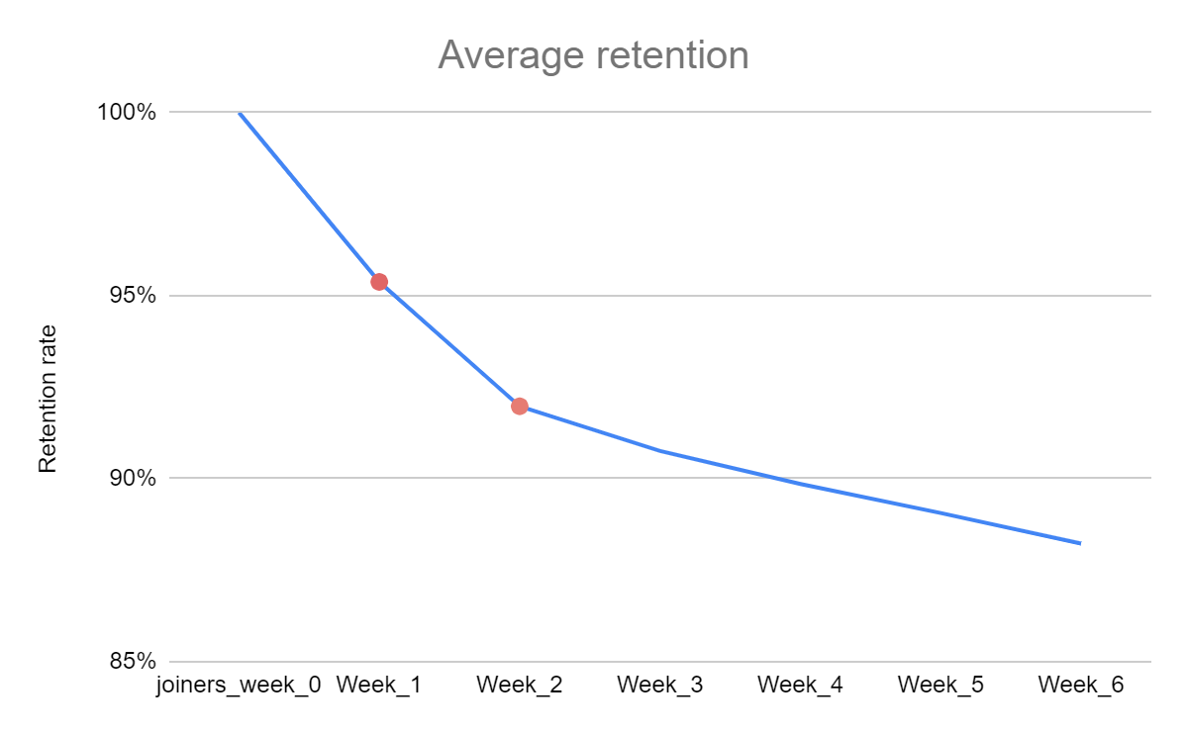
CUSTOMER RETENTION

Week_cohort | joiners_week_0 | Week_1 | Week_2 | Week_3 | Week_4 | Week_5 | Week_6
2020-10-26 | 2365 | 2365 | 2184 | 2128 | 2094 | 2075 | 2062
2020-11-02 | 19375 | 18250 | 17440 | 17038 | 16809 | 16580 | 16385
2020-11-09 | 16244 | 15324 | 14531 | 14268 | 14070 | 13872 | 13787
2020-11-16 | 18264 | 17207 | 16459 | 16108 | 15861 | 15690 | 15622
2020-11-23 | 20345 | 19244 | 18457 | 18083 | 17859 | 17767 | 17740
2020-11-30 | 22313 | 21143 | 20194 | 19837 | 19712 | 19662 | 19603
2020-12-07 | 28994 | 27636 | 26780 | 26576 | 26495 | 26369 | 26297
2020-12-14 | 25198 | 24109 | 23506 | 23424 | 23302 | 23214 | 23152
2020-12-21 | 17741 | 17197 | 16873 | 16752 | 16658 | 16589 | 16536
2020-12-28 | 17096 | 16564 | 16188 | 16029 | 15923 | 15838
2021-01-04 | 23419 | 22490 | 21818 | 21566 | 21385
2021-01-11 | 21763 | 20917 | 20206 | 19949
2021-01-18 | 20988 | 20033 | 19197
2021-01-25 | 19869 | 18792

New subscriptions per week
 |  |  |  |  |  |  |  | SUMMARY
 |  |  |  |  |  |  |  | 1. Overall new subscriptions are growing over time

WEEKLY GROWTH (%) OF NEW SUBSCRIPTIONS
Week_cohort | Growth of new subscriptions
2020-11-02 | 719.24% | *Eliminated as an outlier. Only one day data from week 2020-10-26 is available which causes inaccuracy when we compare data from week 2020-11-02 which has full 7 days data
2020-11-09 | -16.16%
2020-11-16 | 12.44%
2020-11-23 | 11.39%
2020-11-30 | 9.67%
2020-12-07 | 29.94%
2020-12-14 | -13.09%
2020-12-21 | -29.59%
2020-12-28 | -3.64%
2021-01-04 | 36.99%
2021-01-11 | -7.07%
2021-01-18 | -3.56%
Growth of new subscriptions weekly
 |  |  |  |  |  |  |  | SUMMARY
 |  |  |  |  |  |  |  | 1. New subscriptions are not generated as rapidly - downward trend
 |  |  |  |  |  |  |  | *might be consequence of industry/service maturity. SOLUTION: Upgrade product, increase competitiveness and innovativeness of the service/product
 |  |  |  |  |  |  |  | *might be because of the service quality. SOLUTION: Focus on quality area

CUSTOMER RETENTION CATEGORIZED |  |  |  |  |  |  |  |  |  | SUMMARY
Week_cohort | joiners_week_0 | Week_1 | Week_2 | Week_3 | Week_4 | Week_5 | Week_6 |  |  | 1. 2020 Nov 1st week generated the least new joiners
2020-11-02 | 19375 | 18250 | 17440 | 17038 | 16809 | 16580 | 16385 |  |  | 2. 2020 Dec 1st week generated the most new joiners
2020-11-09 | 16244 | 15324 | 14531 | 14268 | 14070 | 13872 | 13787 | LAGGING COHORT |  | SOLUTION: Improve ad campaigns and marketing strategy that was used during 2020 Dec 1st week
2020-11-16 | 18264 | 17207 | 16459 | 16108 | 15861 | 15690 | 15622
2020-11-23 | 20345 | 19244 | 18457 | 18083 | 17859 | 17767 | 17740
2020-11-30 | 22313 | 21143 | 20194 | 19837 | 19712 | 19662 | 19603
2020-12-07 | 28994 | 27636 | 26780 | 26576 | 26495 | 26369 | 26297 | LEADING COHORT
2020-12-14 | 25198 | 24109 | 23506 | 23424 | 23302 | 23214 | 23152
2020-12-21 | 17741 | 17197 | 16873 | 16752 | 16658 | 16589 | 16536
2020-12-28 | 17096 | 16564 | 16188 | 16029 | 15923 | 15838
2021-01-04 | 23419 | 22490 | 21818 | 21566 | 21385
2021-01-11 | 21763 | 20917 | 20206 | 19949
2021-01-18 | 20988 | 20033 | 19197
2021-01-25 | 19869 | 18792

CUSTOMER RETENTION RATE |  |  |  |  |  |  |  |  |  | SUMMARY
Week_cohort | joiners_week_0 | Week_1 | Week_2 | Week_3 | Week_4 | Week_5 | Week_6 |  |  | 1. 2020 Dec cohorts maintained the highest cutomer retention rate
2020-11-02 | 100% | 94% | 90% | 88% | 87% | 86% | 85% |  |  | 2. 2020 Nov cohorts had the highest churns
2020-11-09 | 100% | 94% | 89% | 88% | 87% | 85% | 85% |  |  | *SOLUTION: improve onboarding experience using 2020 Dec onboarding program as a reference point
2020-11-16 | 100% | 94% | 90% | 88% | 87% | 86% | 86%
2020-11-23 | 100% | 95% | 91% | 89% | 88% | 87% | 87%
2020-11-30 | 100% | 95% | 91% | 89% | 88% | 88% | 88%
2020-12-07 | 100% | 95% | 92% | 92% | 91% | 91% | 91% | MOST SUCCESSFUL COHORTS
2020-12-14 | 100% | 96% | 93% | 93% | 92% | 92% | 92%
2020-12-21 | 100% | 97% | 95% | 94% | 94% | 94% | 93%
2020-12-28 | 100% | 97% | 95% | 94% | 93% | 93%
2021-01-04 | 100% | 96% | 93% | 92% | 91%
2021-01-11 | 100% | 96% | 93% | 92%
2021-01-18 | 100% | 95% | 91%
2021-01-25 | 100% | 95%
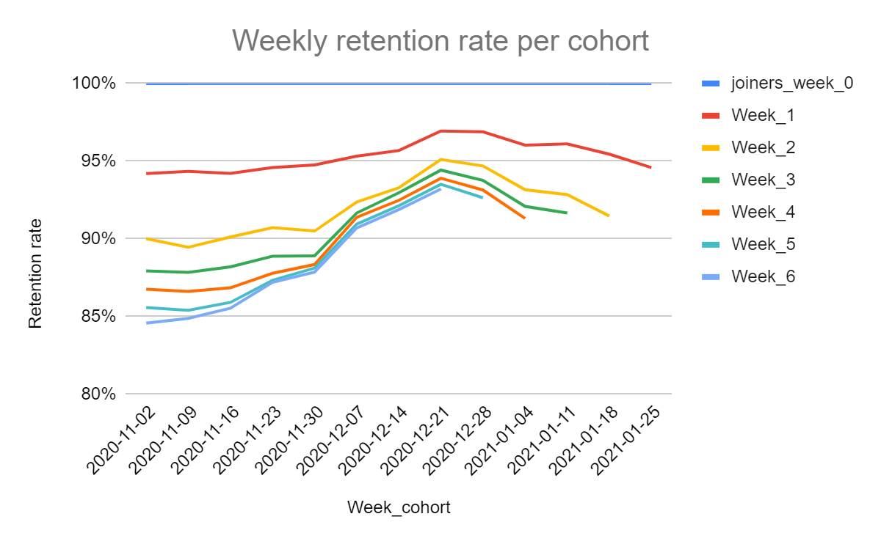

AVERAGE RETENTION RATE BY WEEK OF USAGE |  |  |  |  |  |  |  |  | SUMMARY
 | joiners_week_0 | Week_1 | Week_2 | Week_3 | Week_4 | Week_5 | Week_6 |  | 1. Most of the customers churn during 1st and 2nd week of subscription
AVERAGE | 100% | 95% | 92% | 91% | 90% | 89% | 88% |  | SOLUTION: Provide more attention to subscribers during 1st and 2nd week of their usage - more tutorials, notifications to encourage interaction

